Scenario 1
Name:

 | Nb | Step
 | 1 | Navigate to: https://www.brighthorizons.com
 | 2 | Verify if each footer section contains a title. Let's assume that the title is fine if its length is at least 15 characters
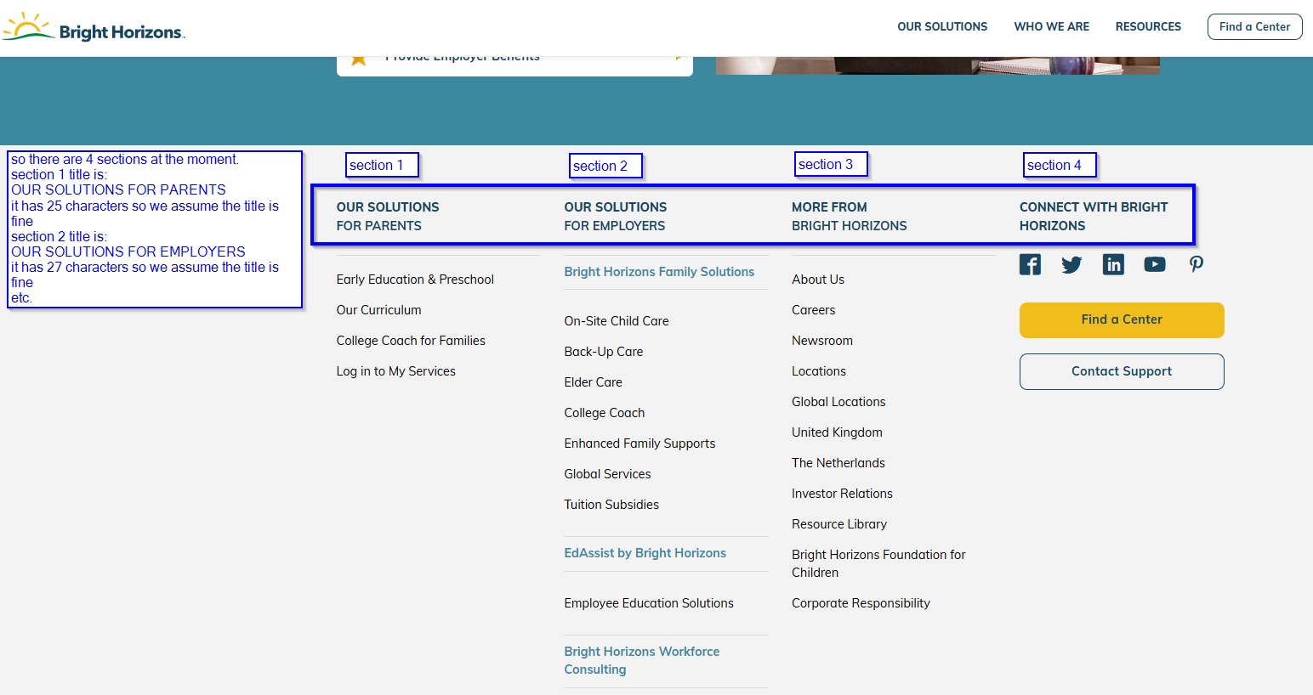

 | 3 | Click on search icon/loupe

 | 4 | Type: Employee Education in 2018: Strategies to Watch into search and click on yellow Search button

 | 5 | Verify if the first search result is exact match to what you typed into search
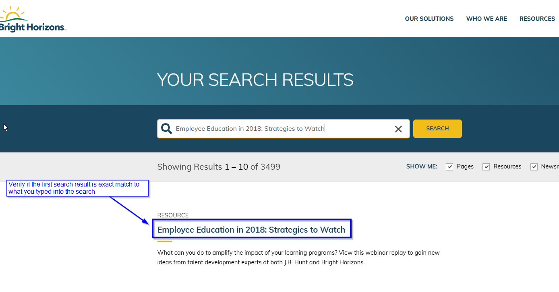

 | 6 | Verify if each footer section contains a title. Let's assume that the title is fine if its length is at least 15 characters

